Worksheet
Image | Sku | Name | Whs price | Retail price | 40 | 41 | 42 | 43 | 44 | 45 | 46 |  | Total | Blank
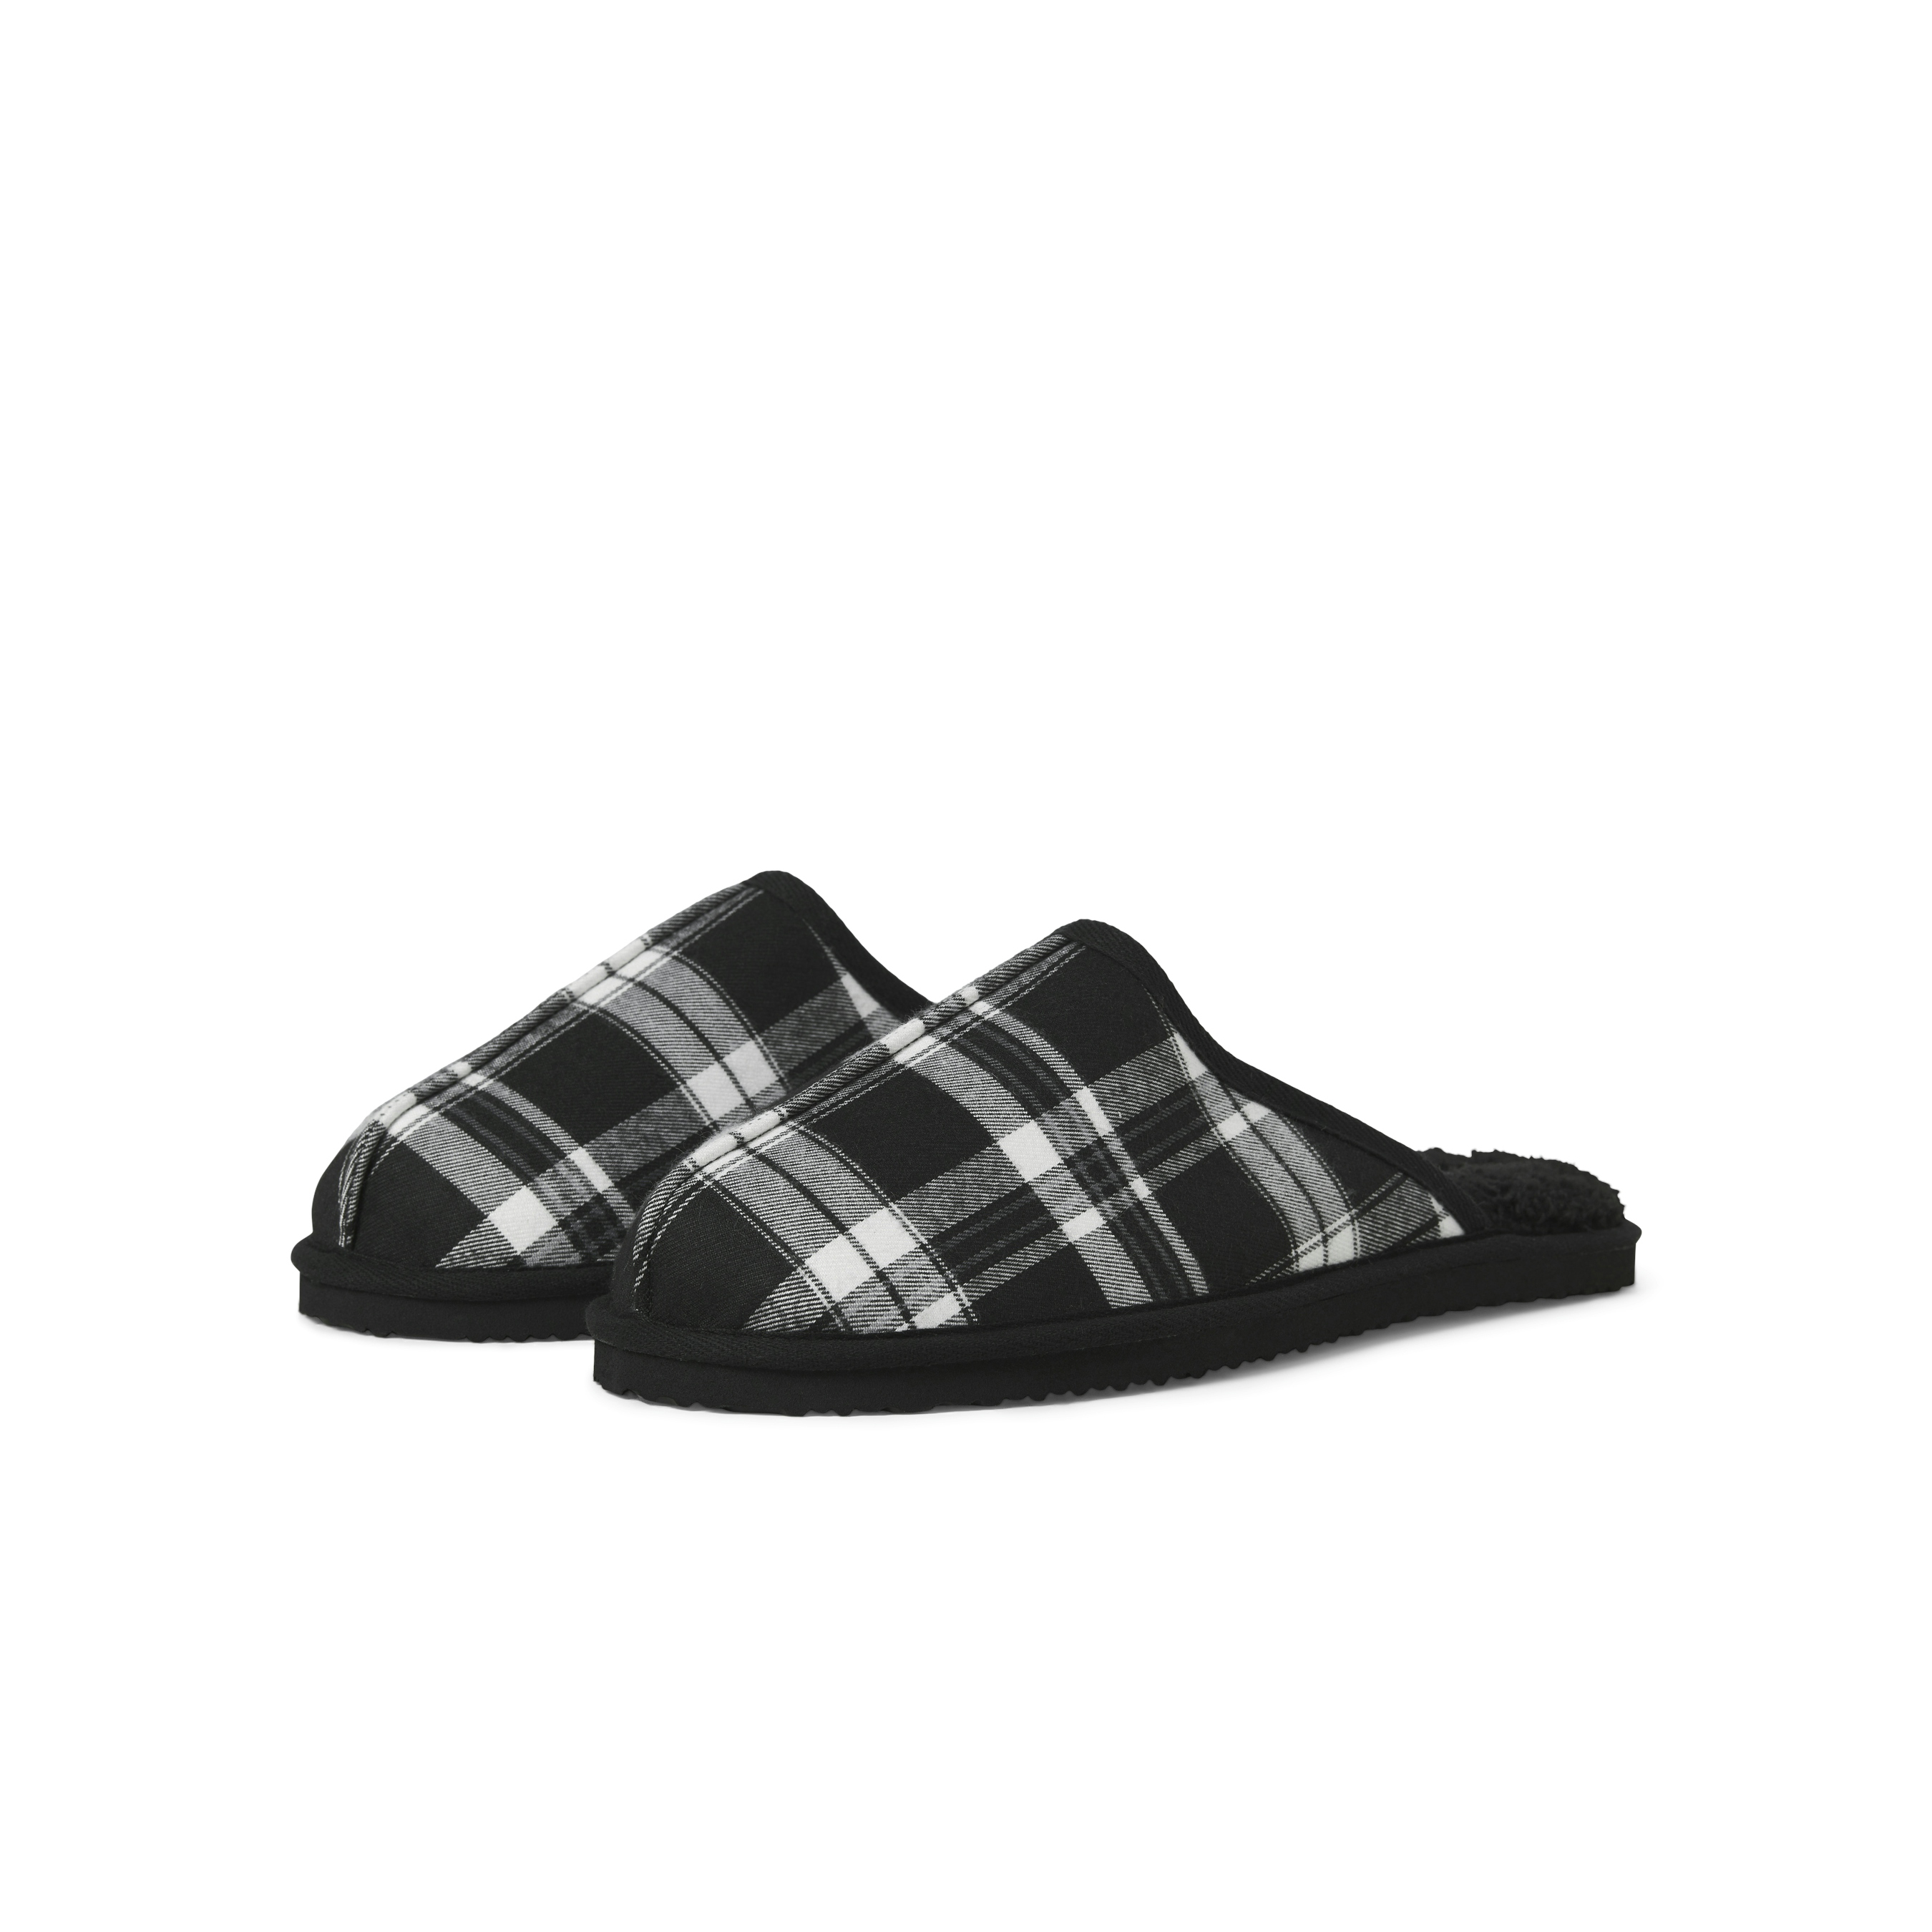 | 12296376-BLK | Jack & Jones Dudely Microfiber Pantoffel Checked Zwart | € 6.50 | € 24.99 | 5 | 9 | 30 | 29 | 18 | 10 | 21 |  | 122
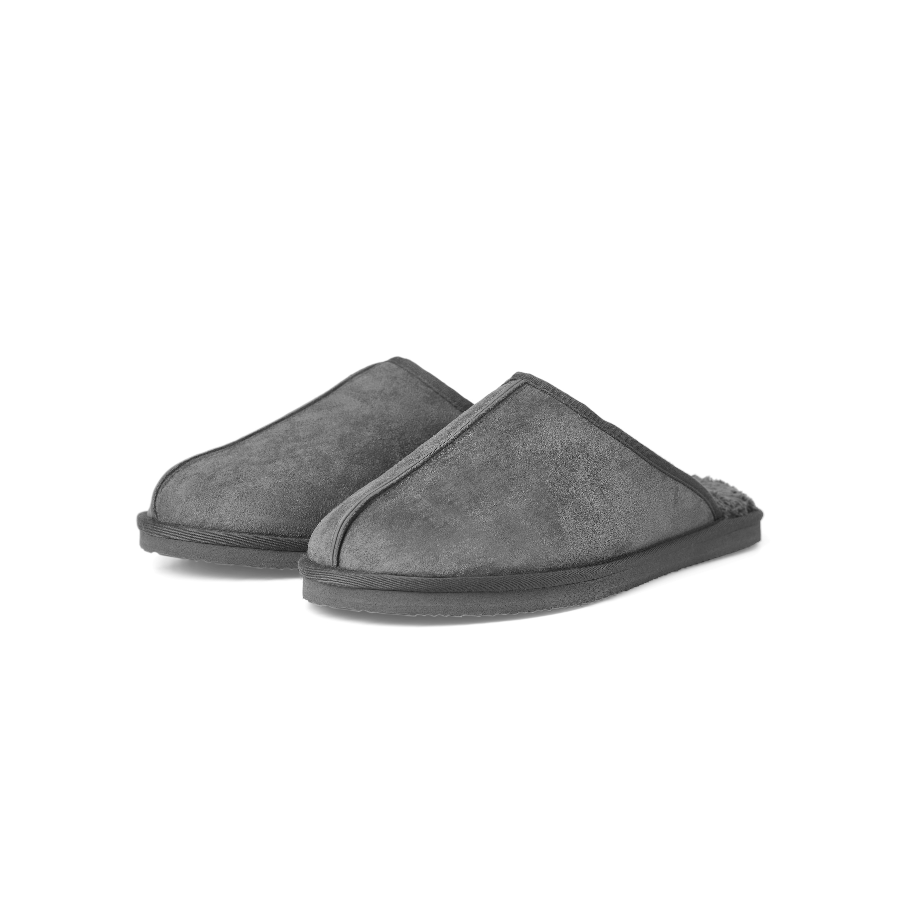 | 12170310-GRY | Jack & Jones Dudely Microfiber Pantoffel Grijs | € 6.50 | € 24.99 | 2 | 5 | 6 | 24 | 20 |  |  |  | 57
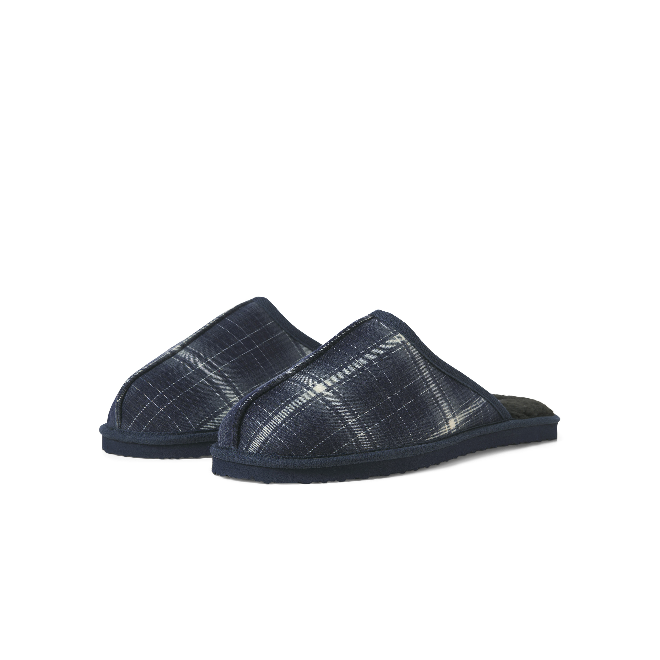 | 12296376-NVY | Jack & Jones Dudely Microfiber Pantoffel Checked Navy Blazer | € 6.50 | € 24.99 | 3 | 5 | 9 | 27 | 28 | 17 | 11 |  | 100
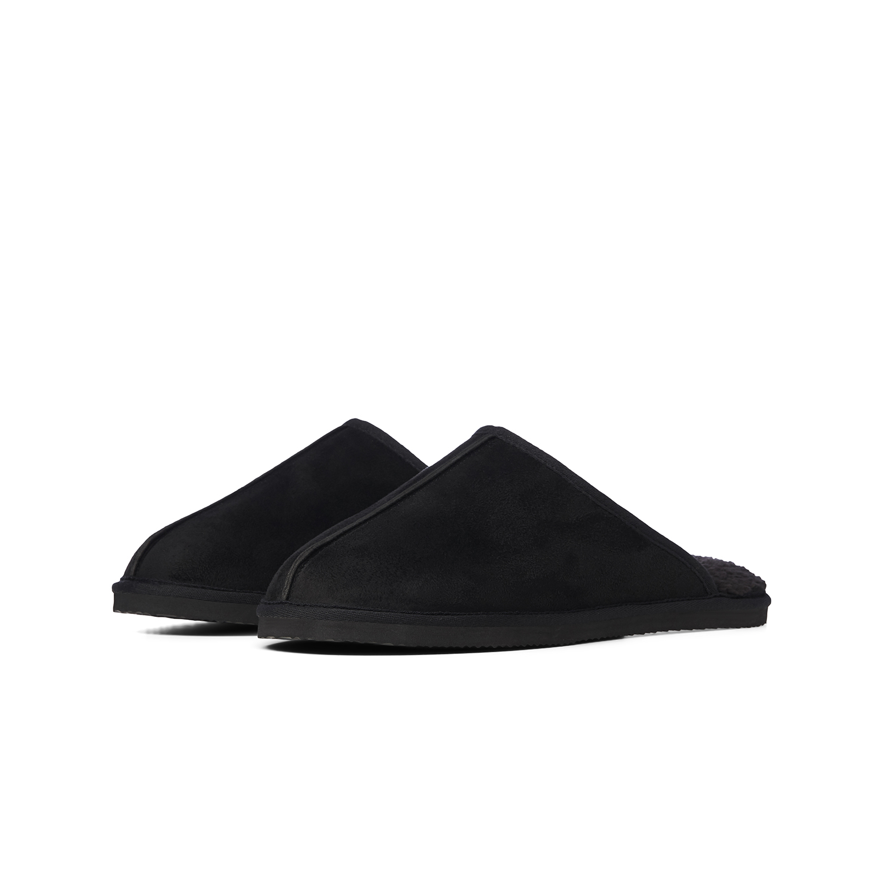 | 12170309-BLK | Jack & Jones Dudely microfiber pantoffel heren zwart | € 6.50 | € 24.99 |  | 22 | 45 | 87 | 74 | 66 | 15 |  | 309
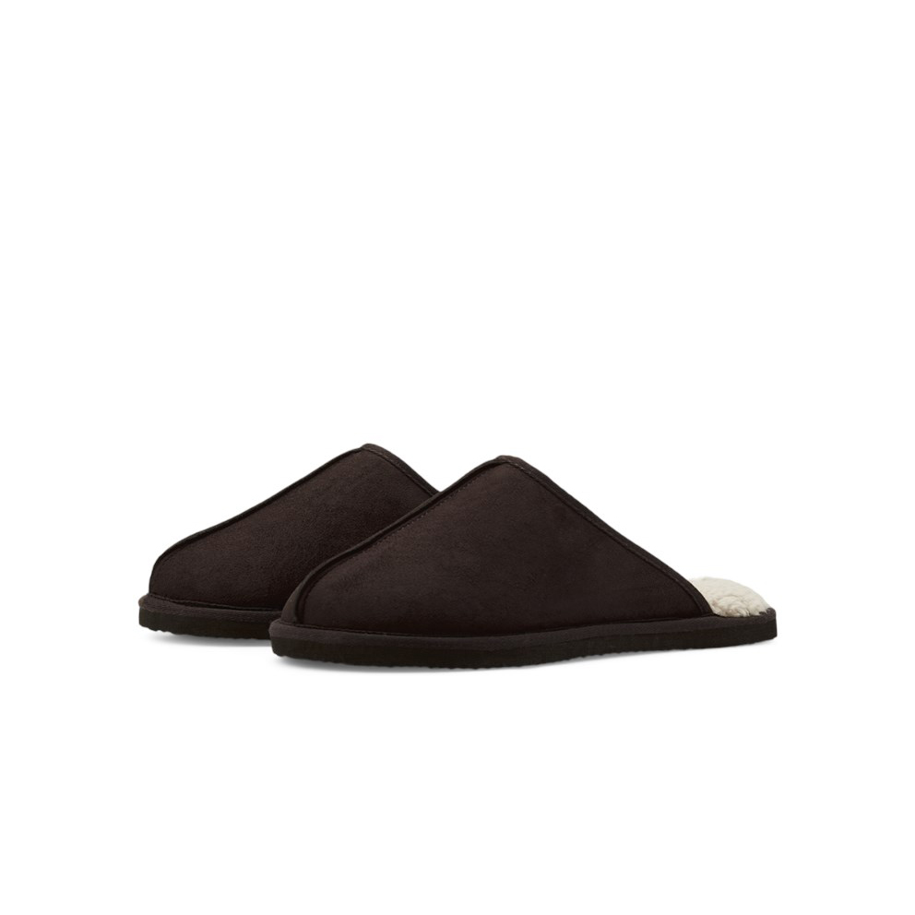 | 12187558-JAV | Jack & Jones Dudely microfiber pantoffel heren java bruin | € 6.50 | € 24.99 | 21 | 36 | 39 | 1 |  |  | 1 |  | 98
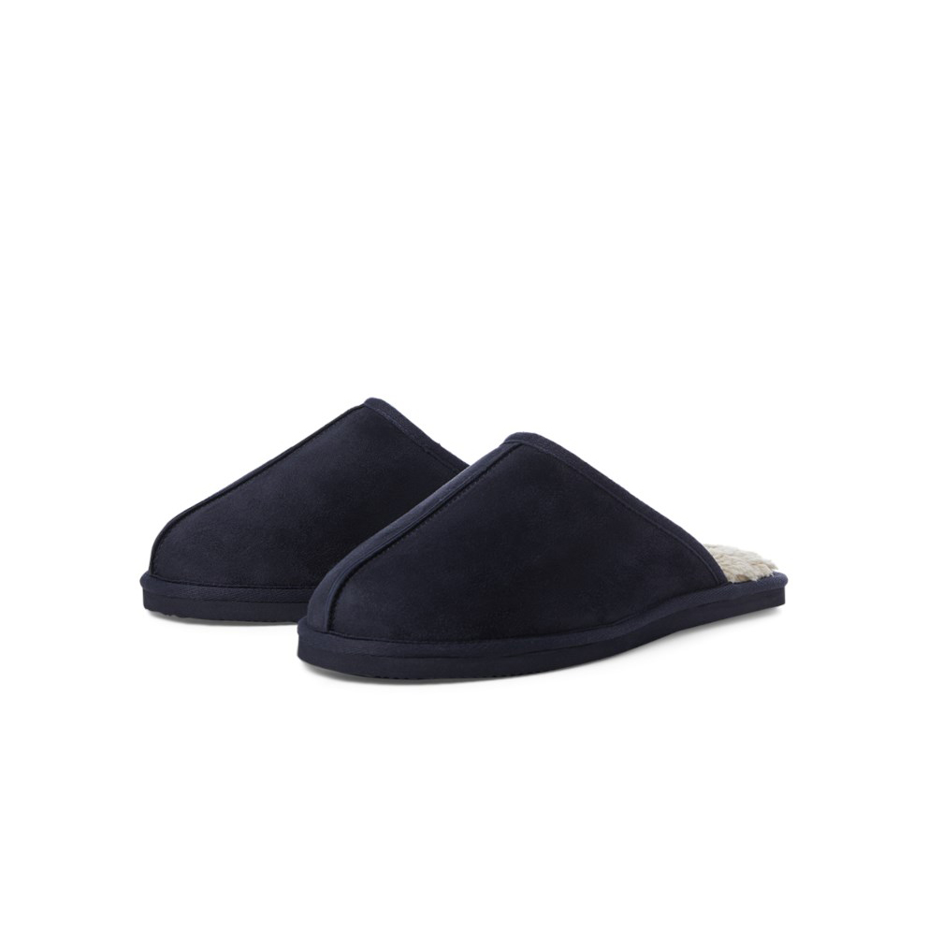 | 12187557-NVY | Jack & Jones Dudely microfiber pantoffel heren navy blazer | € 6.50 | € 24.99 | 4 | 10 | 2 |  |  |  |  |  | 16
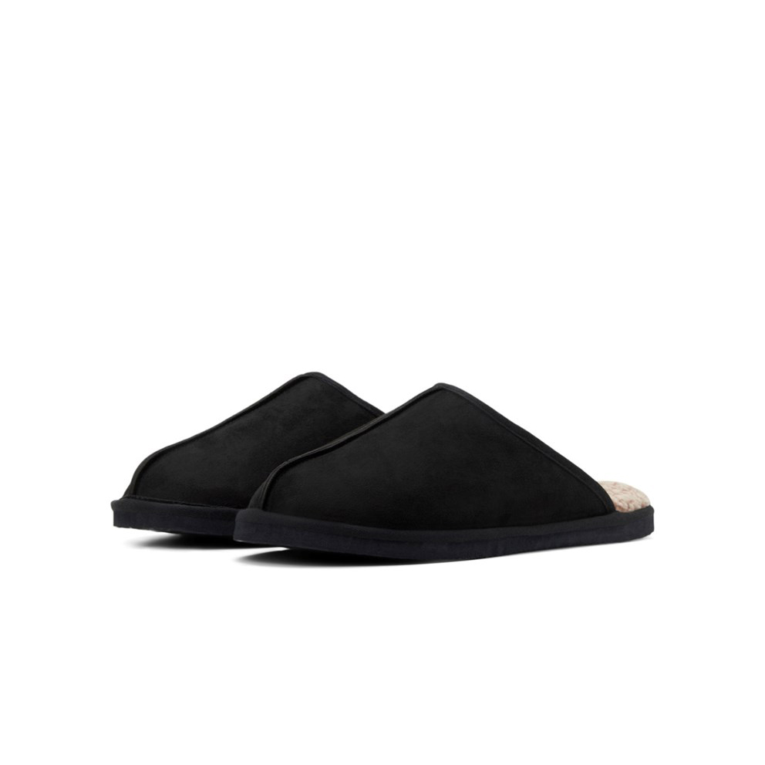 | 12187557-BLK | Jack & Jones Dudely microfiber pantoffel heren zwart | € 6.50 | € 24.99 | 13 | 24 | 20 |  |  |  |  |  | 57
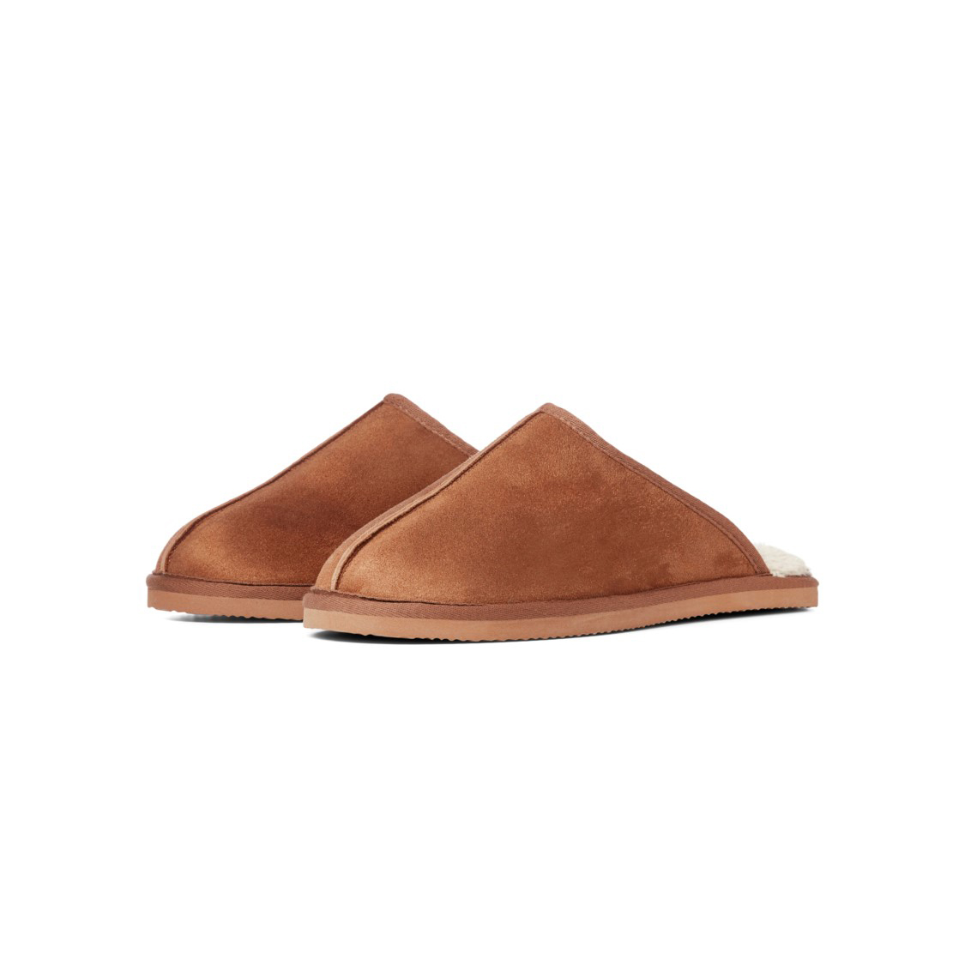 | 12170311-ALM | Jack & Jones Dudely Microfiber Pantoffels Almond | € 6.50 | € 24.99 | 7 | 18 | 18 | 60 | 82 | 55 | 56 |  | 296

 |  |  |  |  |  |  |  |  |  |  |  | Total | 1055

